Sheet1
Test Scenario | Test Case ID | Test Case Name | Preconditions | Test Case Steps | Test Data | Expected Result | Priority | Test Type | Run Result | Attachment
Functional Testing | 1 | Check the buttons and fields are working | I already open the system | Click on the "Log in", "Send" and "Submit New Pass" buttons |  | After click buttons, they should do the corresponding action, and you must be able to enter data in the input fields | High | Positiv | Pass
 | 2 | Check active references | I already open the system | Click on the references |  | Should open page, which URL is corresponding the reference | High | Positiv | Pass
 | 3 | Check the eye is working | I already open the system | 1.Enter password 2.Click on the eye 3.Check the eye is shows the password |  | By entereing the password and click on the eye, we should see the password | Medium | Positiv | Fail | 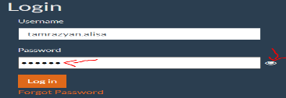
 | 4 | Login with a invalid data | I already open the system | 1. Enter the invalid data 2.Click "Log in" button 3.Verify whether user will be able to login | 1.Username: tamrazyan.alisa Password: 00000 2.Username: " " Password: " " 3.Username: Alisa@mail Password: " " 4.Username:" " Password: aaaaaa 5.Username: tamrazyan.alisa Password: QWALLITY 6.Username: " " Password: QWALLITY 7.Username: Alisa Password: FHHghb895 8.Username: Alisa Password: " " | User should not login into an app and a message "You don't have access to Qwallity app, please contact administrator!" is shown | High | Negativ | Pass | 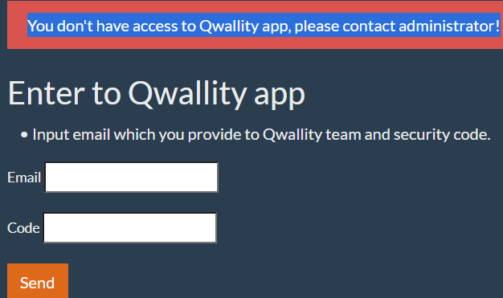
 | 5 | Login with a valid data | I already open the system | 1. Enter the valid data 2.Click "Log in" button 3.Verify whether user will be able to login | Username: Alisa Password: QWALLITY | User should login into an app | High | Positiv | Pass | 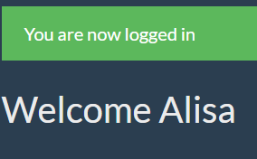
 | 6 | Login after changing password | I already open the system | 1.Enter valid username 2.Enter new password 3.Click "Log in" button |  | User shold login into an app | High | Positiv | Fail
Security Testing | 7 | Check the password fields is hide | I already open the system | 1.Click on the password field 2.Enter password | Password: 35aG8UI | A password must be stored in an encrypted way. | High | Positiv | Pass | 
 | 8 | Check back button | I already open the system | 1.Log in app 2.log out from app | No need data | After log out the user should not come back his page | High | Positiv | Pass
 | 9 | Check repetition of Username and Password fields | I already open the system | 1.Check the contains of "Username" field 2. Check the contains of "Password" field | Input the same data in username and password fields | The contains of Username and Password fields should not repeat | High | Positiv | Pass
 | 10 | Check the cookies | I already open the system | 1.Log in app 2.Do some actions 3.Right-click and click on Inspect to open the developer console 4.Go to the Applications tab on the console. 5. Expand the Cookies dropdown under the Storage section. | No need data | The cookies should be empty | High | Positiv | Pass
 | 11 | Check copy and paste of password | I already open the system | 1.Enter password 2.Copy password 3.Paste password |  | The contains of password should not pasted and visible | High | Positiv | Pass
UI testing | 12 | Verify, that all buttons and input fields are active and clickable | I already open the system | Click on the Username, Passwords, Email and Code fields |  | The fields should be clickable | High | Positiv | Pass
 | 13 | Check the grammatical errors | I already open the system | Check the grammar |  | The names and signs should be correctly | Low | Positiv | Pass
 | 14 | Check the messages | I already open the system | Read the messages |  | All messages should be according to requirements | High | Positiv | Fail
 | 15 | Check the interface is attractive | I already open the system | Login the app and check, that the interface is attractive |  | The interface should be attractive and user should can easy to use it | High | Positiv | Pass
 | 16 | Check that fields and their titles belong to the same font, size and paragraph | I already open the system | Check fields and their titles font, size and paragraph |  | Fields and their titles should belong to the same font, size and paragraph | Low | Positiv | Pass

